工作表1
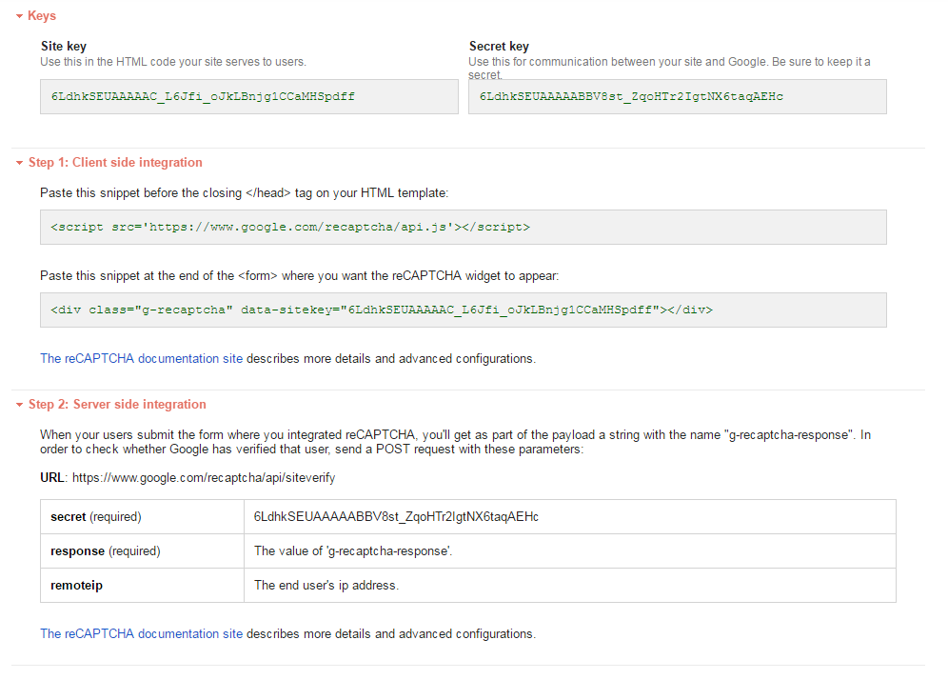
Site key (Use this in the HTML code your site serves to users.) | 6LdhkSEUAAAAAC_L6Jfi_oJkLBnjg1CCaMHSpdff
Secret key Use this for communication between your site and Google. Be sure to keep it a secret. | 6LdhkSEUAAAAABBV8st_ZqoHTr2IgtNX6taqAEHc

